Sector PMR_2023-24 structure
Sectoral Product Market Regulation Indicators

 | Energy is the simple average of: Electricity and Natural Gas (weights ½)
 | Transport is the simple average of: Air, Rail, Road and Water (weights ¼)
 | Ecomm. is the simple average of: Fixed Ecomm and Mobile Ecomm (weights ½)
 | Network Sectors is the simple average of: Energy, Transport , and Ecomm. (weights 1/3)

Lawyers
Notaries
Professional services
Accountants
Architects
Civil Engineers
Real Estate
Agents
Entry regulation
Conduct regulation
Entry regulation
Conduct regulation
Entry regulation
Conduct regulation
Entry regulation
Conduct regulation
Entry regulation
Conduct regulation
Entry regulation
Conduct regulation
 | There are six indicators one for each of the 6 professions covered: accountants, architects, civil engineers, estate agents, lawyers, and notaries. There is no single average indicator for all professions since some professions do not exist in some of the economies surveyed.
 | Some care should be taken when comparing the PMR indicators on individual professions across economies, because the activities that a specific profession undertakes may vary between economies. The PMR database provides an indication of the activities performed by each profession in each country.
 | On Notaries: In some economies, notaries do not exist as an independent profession. For this reason there are values missing for this profession for some economies. It should be added that in civil law economies, notaries exercise administrative and judicial tasks by virtue of power delegated by the state; hence, they play a special role in the legal services market in the concerned economies and in this aspect they are different from the other professions included in the OECD's PMR indicator.
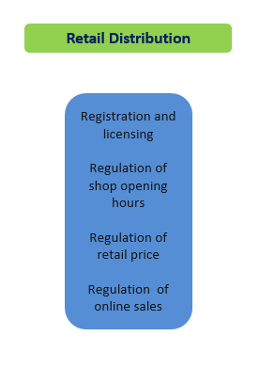
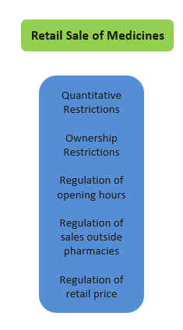

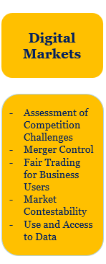

*For more details on the individual questions that compose each indicator and their scoring see the 'PMR Sector Schemata' available at:
https://www.oecd.org/en/topics/sub-issues/product-market-regulation.html

2018 oldMethod_Sector_structure
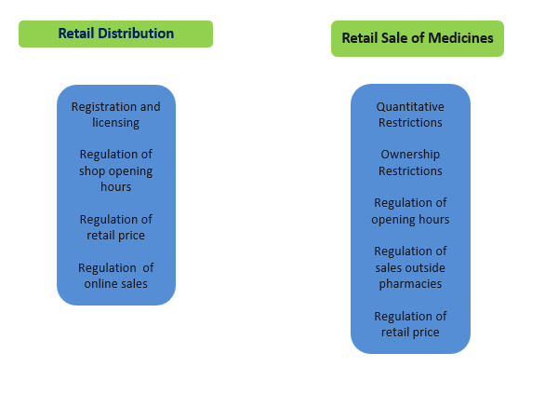
 | Product Market Regulation Sector Indicators

The figure below shows the structure of the PMR Sector indicators (for Network Sectors, Professional Services, and Retail Trade) according to the previous methodology, which has now been discontinued (2018 old methodology). Note that the PMR Sector indicator for Digital Markets was introduced in 2023. Please note that in the following tabs (marked as 2018 oldmethod) are presented the 2018 values for the countries that have not been updated according to the new 2023 methodology

 |  | 2018 old Methodology
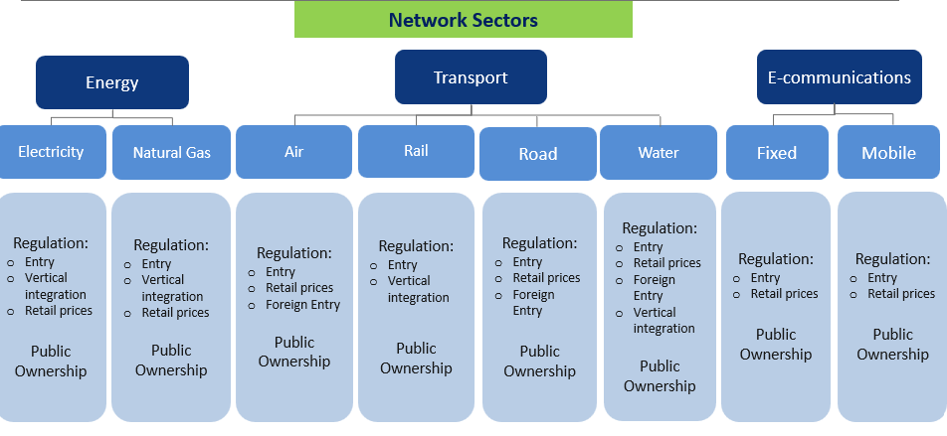

 |  |  | Energy is the simple average of: Electricity and Natural Gas (weights ½)
 |  |  | Transport is the simple average of: Air, Rail, Road and Water (weights ¼)
 |  |  | Ecomm. is the simple average of: Fixed Ecomm and Mobile Ecomm (weights ½)
 |  |  | Network Sectors is the simple average of: Electricity and Natural Gas, Air, Rail, Road , Water, Fixed Ecomm and Mobile Ecomm (weights 1/8)

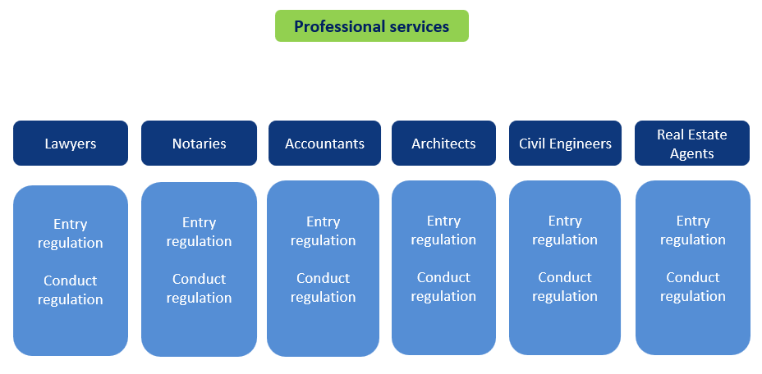

 |  |  | There are six indicators one for each of the 6 professions covered: accountants, architects, civil engineers, estate agents, lawyers, and notaries. There is no single average indicator for all professions since some professions do not exist in some of the economies surveyed.
 |  |  | Some care should be taken when comparing the PMR indicators on individual professions across economies, because the activities that a specific profession undertakes may vary between economies. The PMR database provides an indication of the activities performed by each profession in each country.
 |  |  | On Notaries: In some economies, notaries do not exist as an independent profession. For this reason there are values missing for this profession for some economies. It should be added that in civil law economies, notaries exercise administrative and judicial tasks by virtue of power delegated by the state; hence, they play a special role in the legal services market in the concerned economies and in this aspect they are different from the other professions included in the OECD's PMR indicator.

